Аркуш1
Bug report |  | Bug report |  | Bug report |  | Bug report |  | Bug report |  | Bug report |  | Bug report |  | Bug report |  | Bug report |  | Bug report
Summary | It's possible to enter Cyrillic characters into E-mail field to receive additional information | Summary | It's possible to enter too many characters into "Ім'я" field to receive additional information | Summary | The page with English courses doesn't open | Summary | In the landscape orientation the word on "Онлайн запис" buttons is broken in "Розклад" part. | Summary | The text is not aligned on page "Договір публічної оферти" | Summary | The text is not aligned on page "Політика конфіденційності" | Summary | There is no hint message after entering an invalid 10-digit phone number | Summary | The pop-up windows that appear after clicking “кнопка связи” button are in a different language | Summary | The button "кнопка связи" along with pop-up text are in a different language | Summary | The text gets cut after pressing the green cross button in "Програма Курсу" section
Project | http://sqa.lviv.ua | Project | http://sqa.lviv.ua | Project | http://sqa.lviv.ua | Project | http://sqa.lviv.ua | Project | http://sqa.lviv.ua | Project | http://sqa.lviv.ua | Project | http://sqa.lviv.ua | Project | http://sqa.lviv.ua | Project | http://sqa.lviv.ua | Project | http://sqa.lviv.ua
Issue type | Bug | Issue type | Bug | Issue type | Bug | Issue type | Bug | Issue type | Bug | Issue type | Bug | Issue type | Bug | Issue type | Bug | Issue type | Bug | Issue type | Bug
ID | bug_1 | ID | bug_2 | ID | bug_3 | ID | bug_4 | ID | bug_5 | ID | bug_6 | ID | bug_7 | ID | bug_8 | ID | bug_9 | ID | bug_10
Severity | Low | Severity | Low | Severity | Medium | Severity | Minor | Severity | Minor | Severity | Minor | Severity | Minor | Severity | Minor | Severity | Minor | Severity | Minor
Priority | P3 | Priority | P2 | Priority | P1 | Priority | P3 | Priority | P3 | Priority | P3 | Priority | P3 | Priority | P2 | Priority | P2 | Priority | P3
Environment | iPhone 11 iOS 15.5 Chrome version 101.0.4951.58 | Environment | iPhone 11 iOS 15.5 Chrome version 101.0.4951.58 | Environment | iPhone 11 iOS 15.5 Chrome version 101.0.4951.58 | Environment | iPhone 11 iOS 15.5 Chrome version 101.0.4951.58 | Environment | iPhone 11 iOS 15.5 Chrome version 101.0.4951.58 | Environment | iPhone 11 iOS 15.5 Chrome version 101.0.4951.58 | Environment | iPhone 11 iOS 15.5 Chrome version 101.0.4951.58 | Environment | iPhone 11 iOS 15.5 Chrome version 101.0.4951.58 | Environment | iPhone 11 iOS 15.5 Chrome version 101.0.4951.58 | Environment | iPhone 11 iOS 15.5 Chrome version 101.0.4951.58
Description | It allows registering a user with E-mail address that has Cyrillic characters in the local part (user name) which goes before @ character. | Description | It allows registering a user with 300 characters name. | Description | After clicking on “Обрати курс англійської" button, a page with the message “This connection is not private" opens. | Description | When you switch to landscape orientation, the word on “Онлайн запис” buttons get broken. | Description | After clicking on “Договір публічної оферти" link, the text is not aligned on the opened page. | Description | After clicking on “Політика конфіденційності" link, the text is not aligned on the opened page. | Description | After entering an invalid phone number, there is no hint message about the correct number format. | Description | The pop-up windows that appear after clicking on “КНОПКА СВЯЗИ” button are in a language different from the one of the website. | Description | The button that appears on the right at the bottom “КНОПКА СВЯЗИ“ along with the pop-up text “Хотите перезвоним Вам за 30 секунд?“, which appears above the button later, are in a language different from the one of the website. | Description | After clicking the green cross button, “Основні підходи та рівні тестування“ text gets cut at “рівні“ word.
Precondition | The main page of http://sqa.lviv.ua is open. | Precondition | The main page of http://sqa.lviv.ua is open. | Precondition | The main page of http://sqa.lviv.ua is open. | Precondition | The main page of http://sqa.lviv.ua is open. | Precondition | The main page of http://sqa.lviv.ua is open. | Precondition | The main page of http://sqa.lviv.ua is open. | Precondition | The main page of http://sqa.lviv.ua is open. | Precondition | The main page of http://sqa.lviv.ua is open. | Precondition | The main page of http://sqa.lviv.ua is open. | Precondition | The main page of http://sqa.lviv.ua is open.
STR | 1. Go to the “Забронюй місце в групі та отримай вступні уроки безкоштовно!" part. 2. Enter Cyrillic characters in the local part. 3. Click on “Надіслати заявку". | STR | 1. Go to the “Забронюй місце в групі та отримай вступні уроки безкоштовно!" part. 2. Enter 300 characters name and valid phone number and email. 3. Click on “Надіслати заявку". | STR | 1. Go to the “Забронюй місце в групі та отримай вступні уроки безкоштовно!" part. 2. Enter the valid registration data and click on the button “Надіслати заявку". 3. On the opened page click on the button “Обрати курс англійської". | STR | 1. Go to "Розклад" part. 2. Check all the “Онлайн запис” buttons | STR | 1. Go to the bottom of the main page. 2. Open “Договір публічної оферти" link. 3. Check the alignment of the text. | STR | 1. Go to the bottom of the main page 2. Open “Політика конфіденційності" link. 3. Check the alignment of the text. | STR | 1. Click on the button “кнопка связи" in the bottom right corner. 2. Enter a 10-digit phone number. 3. Click “перезвоните“. | STR | 1. Click on the button in the bottom right corner. 2. Check the language of the pop-up window. 3. Enter a valid phone number +380971234567. 4. Click “перезвоните“. 5. Check the language of the pop-up window. | STR | 1.Check the button in the bottom right corner. 2. Wait for the pop-up window above the button to appear. | STR | 1. Scroll down to “Програма курсу“ part. 2. Go to “Основні підходи та рівні тестування“. 3. Click on the green cross button.
AR | The user gets a hint message that the email address is wrong. | AR | The user has been registered. | AR | The page with the message “This connection is not private" opens. | AR | The word “Запис" is broken into two parts. | AR | The text is aligned in a column that takes about 50% of the screen. | AR | The text is aligned in a column that takes about 50% of the screen. | AR | No hint message with the correct phone number format is shown. | AR | The pop-up windows are in Russian while the rest of the website is in Ukrainian. | AR | The button and the pop-up window above it are in Russian while the rest of the website is in Ukrainian. | AR | The word “рівні“ gets cut.
ER | The user has been registered. | ER | The user will get a hint message that the name is too long. | ER | The page with English courses opens. | ER | Both words on the buttons are unbroken. | ER | The text is justified according to the size of the screen. | ER | The text is justified according to the size of the screen. | ER | A hint message with the correct phone number format is shown. | ER | All text is translated into the language of the website. | ER | All text is translated into the language of the website. | ER | The text remains unchanged.
Attachments | 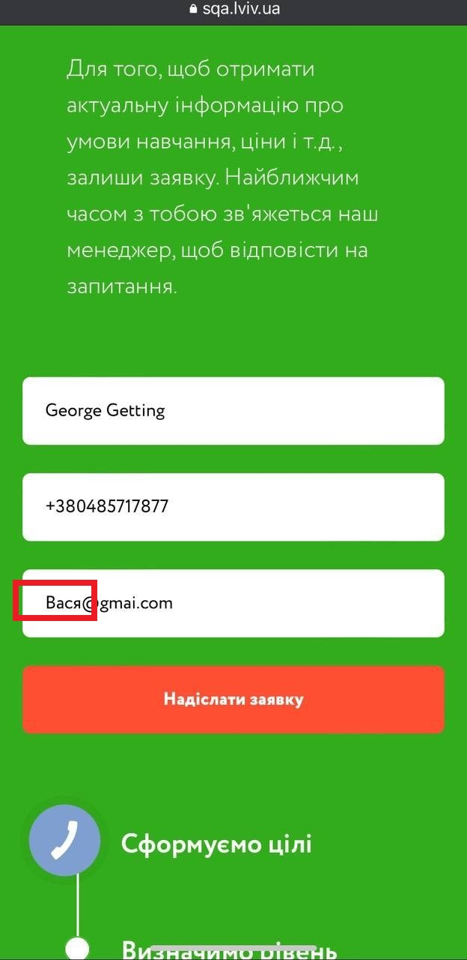 | Attachments | 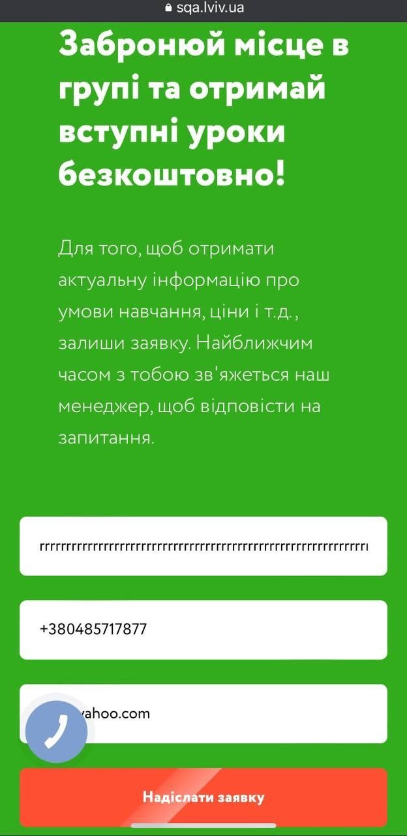 | Attachments | 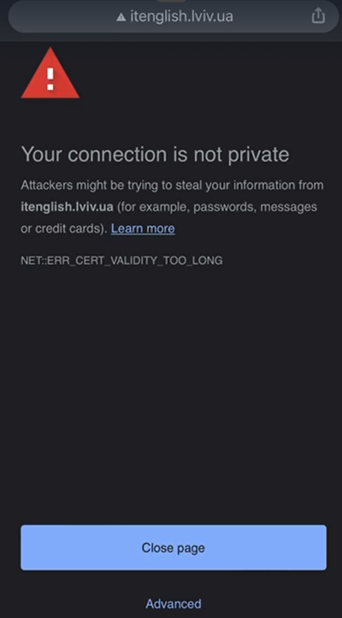 | Attachments | 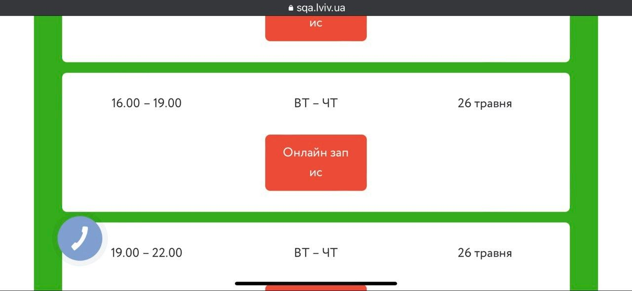 | Attachments | 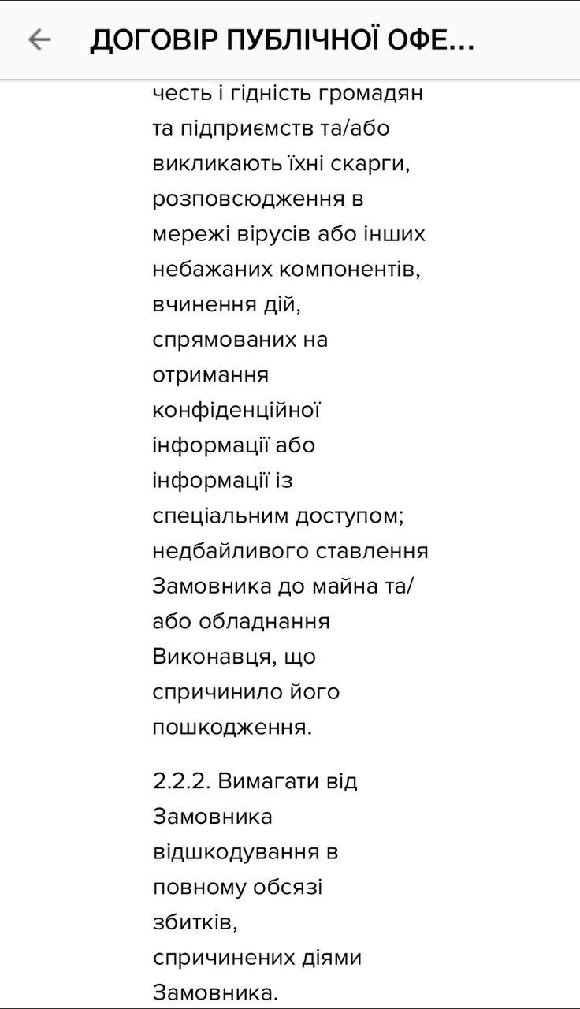 | Attachments | 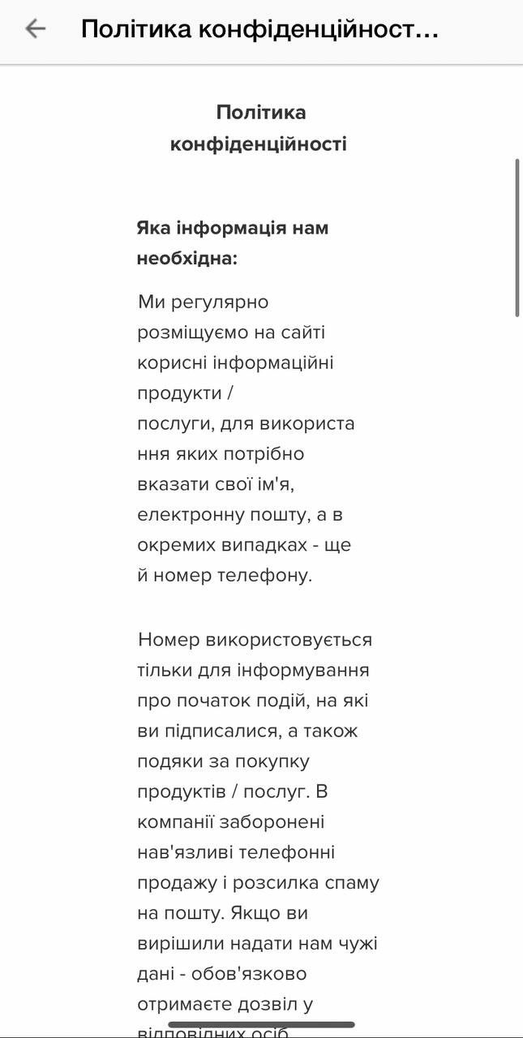 | Attachments | 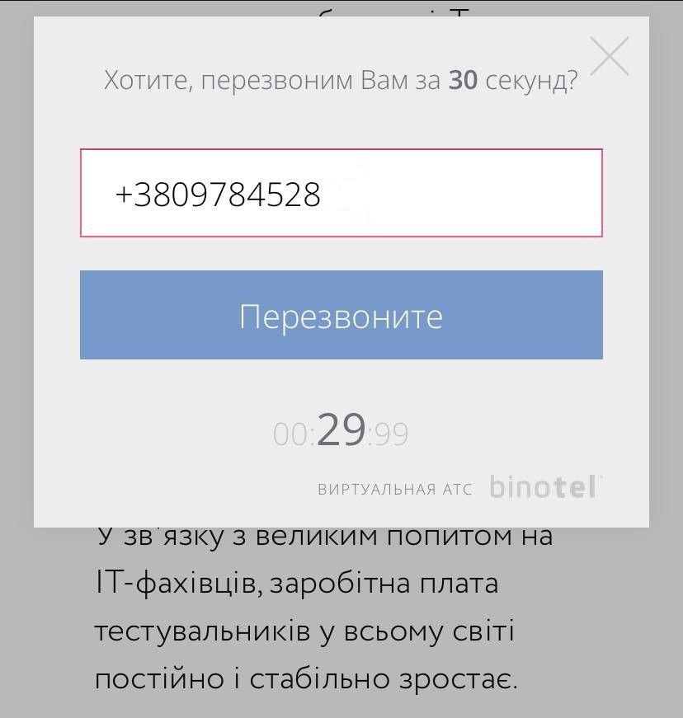 | Attachments | 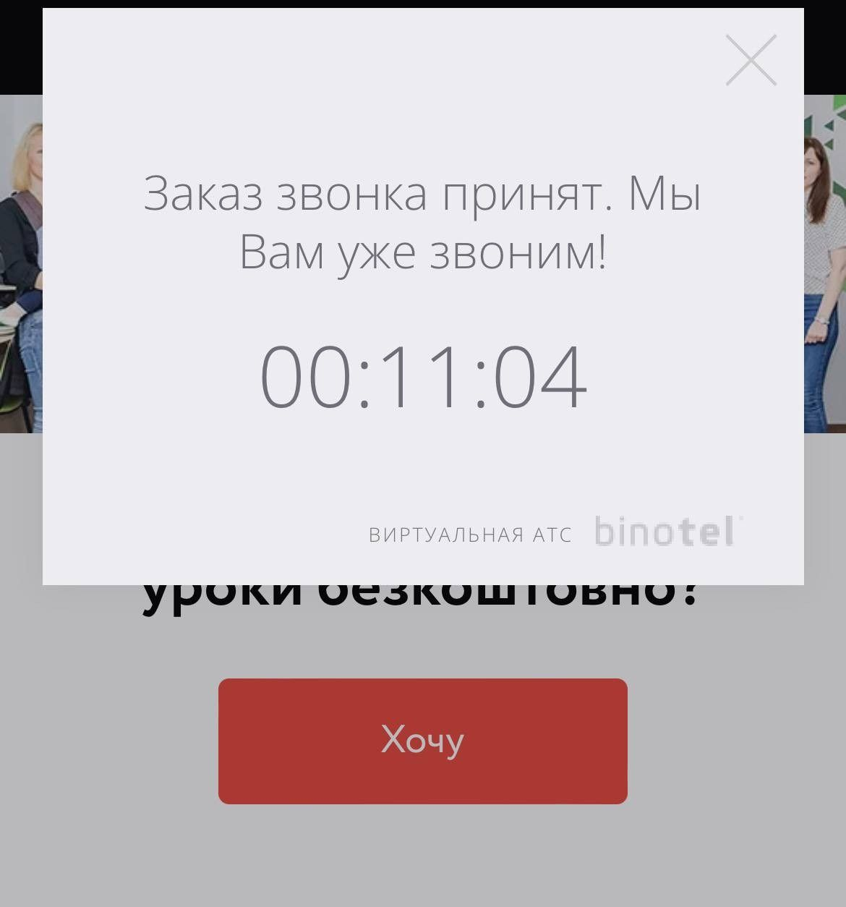 | Attachments | 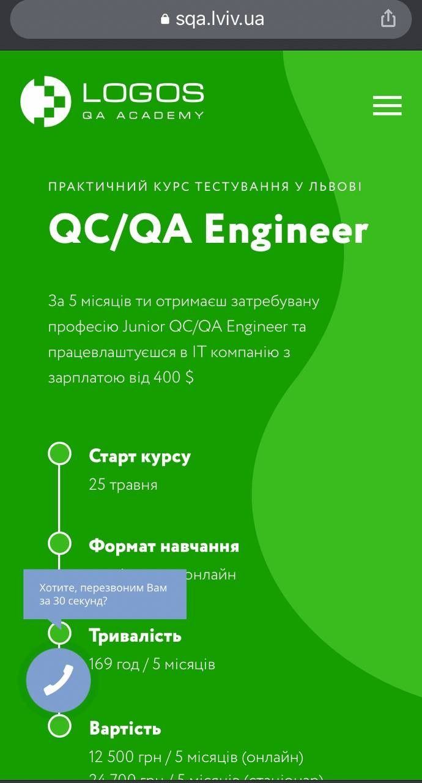 | Attachments | 